Summary
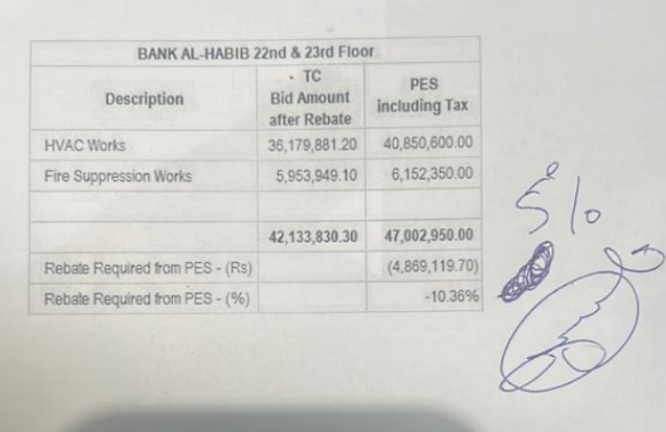
 |  |  |  | Bank Al-Habib Limited

HVAC & Fire Fighting Work |  |  |  | 22-Jan-24
22nd & 23rd Floor Centerpoint Karachi

SUMMARY OF RUNNING BILL NO 3

S.No | Description | Material | Labour | Amount
1 | HVAC 22nd Floor | 14,925,812 | 1,253,791 | 16,179,603
2 | HVAC 23rd Floor | 15,401,155 | 1,245,823 | 16,646,979
 | Total Amount HVAC |  |  | 32,826,582

3 | Fire Fighting 22nd Floor | 2,586,888 | 571,487 | 3,158,375
4 | Fire Fighting 23rd Floor | 2,170,181 | 471,616 | 2,641,797
 | Total Amount Fire Fighting |  |  | 5,800,172

 | Grand Total Amount | 35,084,037 | 3,542,717 | 38,626,754

 |  |  |  | 31,428,271

 |  |  |  | 7,198,483

